Problem1
C1 | C2 | C3 | C4 | C5 | C6 | C1 | C2 | C3 | C4 | C5 | C6 | C1 | C2 | C3 | C4 | C5 | C6 | TRUE | TRUE | TRUE | TRUE | TRUE | TRUE | C1 | C2 | C3 | C4 | C5 | C6 | TRUE | TRUE | TRUE | TRUE | TRUE | TRUE
930 | 493 |  | 986 | 418 |  | 930 | 493 | 493 | 986 | 418 | 418 | 930 | 493 | 493 | 986 | 418 | 418 | TRUE | TRUE | TRUE | TRUE | TRUE | TRUE | 930 | 493 | 493 | 986 | 418 | 418 | TRUE | TRUE | TRUE | TRUE | TRUE | TRUE
11 |  | 880 | 315 | 506 | 724 | 11 | 11 | 880 | 315 | 506 | 724 | 11 | 11 | 880 | 315 | 506 | 724 | TRUE | TRUE | TRUE | TRUE | TRUE | TRUE | 11 | 11 | 880 | 315 | 506 | 724 | TRUE | TRUE | TRUE | TRUE | TRUE | TRUE
 | 172 | 963 | 472 |  |  |  | 172 | 963 | 472 | 472 | 472 |  | 172 | 963 | 472 | 472 | 472 | TRUE | TRUE | TRUE | TRUE | TRUE | TRUE |  | 172 | 963 | 472 | 472 | 472 | TRUE | TRUE | TRUE | TRUE | TRUE | TRUE
73 | 122 | 6 | 992 | 242 | 223 | 73 | 122 | 6 | 992 | 242 | 223 | 73 | 122 | 6 | 992 | 242 | 223 | TRUE | TRUE | TRUE | TRUE | TRUE | TRUE | 73 | 122 | 6 | 992 | 242 | 223 | TRUE | TRUE | TRUE | TRUE | TRUE | TRUE
35 |  |  |  |  |  | 35 | 35 | 35 | 35 | 35 | 35 | 35 | 35 | 35 | 35 | 35 | 35 | TRUE | TRUE | TRUE | TRUE | TRUE | TRUE | 35 | 35 | 35 | 35 | 35 | 35 | TRUE | TRUE | TRUE | TRUE | TRUE | TRUE
 |  |  | 482 | 136 | 941 |  |  |  | 482 | 136 | 941 |  |  |  | 482 | 136 | 941 | TRUE | TRUE | TRUE | TRUE | TRUE | TRUE |  |  |  | 482 | 136 | 941 | TRUE | TRUE | TRUE | TRUE | TRUE | TRUE
 |  |  |  |  |  |  |  |  |  |  |  |  |  |  |  |  |  | TRUE | TRUE | TRUE | TRUE | TRUE | TRUE |  |  |  |  |  |  | TRUE | TRUE | TRUE | TRUE | TRUE | TRUE
217 |  | 846 |  | 10 |  | 217 | 217 | 846 | 846 | 10 | 10 | 217 | 217 | 846 | 846 | 10 | 10 | TRUE | TRUE | TRUE | TRUE | TRUE | TRUE | 217 | 217 | 846 | 846 | 10 | 10 | TRUE | TRUE | TRUE | TRUE | TRUE | TRUE
864 | 555 |  |  | 601 |  | 864 | 555 | 555 | 555 | 601 | 601 | 864 | 555 | 555 | 555 | 601 | 601 | TRUE | TRUE | TRUE | TRUE | TRUE | TRUE | 864 | 555 | 555 | 555 | 601 | 601 | TRUE | TRUE | TRUE | TRUE | TRUE | TRUE

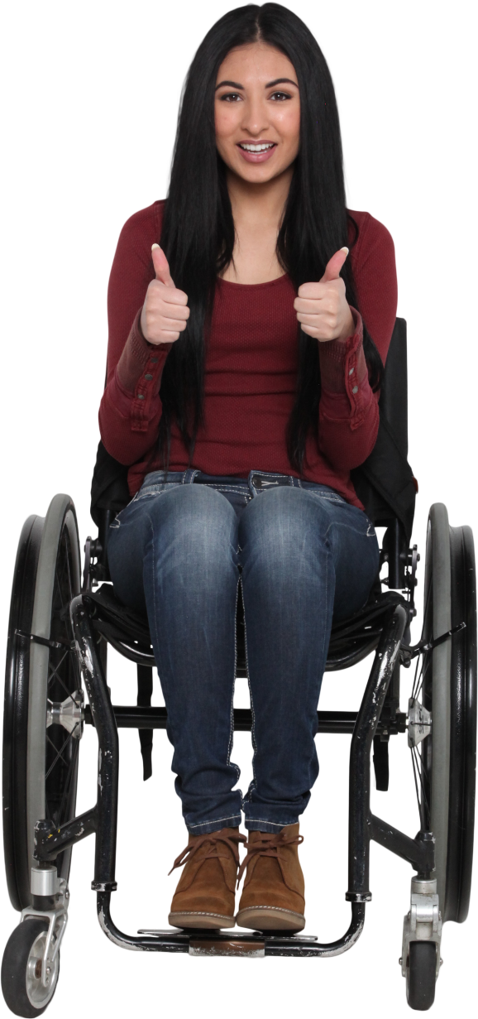

Fill in the grid with the immediate non-blank value on the left.

Problem2
 |  |  |  |  |  | Answer Expected
930 | 493 |  | 986 | 418 |  | 930 | 493 | 493 | 986 | 418 | 493 | 930 | 493 | 493 | 986 | 418 | 493 | TRUE | TRUE | TRUE | TRUE | TRUE | TRUE
11 |  | 880 | 315 | 506 | 724 | 11 | 11 | 880 | 315 | 506 | 724 | 11 | 11 | 880 | 315 | 506 | 724 | TRUE | TRUE | TRUE | TRUE | TRUE | TRUE
 | 172 | 964 | 472 |  |  | 315 | 172 | 964 | 472 | 315 | 315 | 315 | 172 | 964 | 472 | 315 | 315 | TRUE | TRUE | TRUE | TRUE | TRUE | TRUE
73 | 122 | 6 | 992 | 242 | 223 | 73 | 122 | 6 | 992 | 242 | 223 | 73 | 122 | 6 | 992 | 242 | 223 | TRUE | TRUE | TRUE | TRUE | TRUE | TRUE
35 |  |  |  |  |  | 35 | 35 | 35 | 35 | 35 | 35 | 35 | 35 | 35 | 35 | 35 | 35 | TRUE | TRUE | TRUE | TRUE | TRUE | TRUE
 |  |  | 482 | 136 | 941 | 35 | 35 | 35 | 482 | 136 | 941 | 35 | 35 | 35 | 482 | 136 | 941 | TRUE | TRUE | TRUE | TRUE | TRUE | TRUE
 |  |  |  |  |  | 941 | 941 | 941 | 941 | 941 | 941 | 941 | 941 | 941 | 941 | 941 | 941 | TRUE | TRUE | TRUE | TRUE | TRUE | TRUE
217 |  | 846 |  | 10 |  | 217 | 217 | 846 | 217 | 10 | 217 | 217 | 217 | 846 | 217 | 10 | 217 | TRUE | TRUE | TRUE | TRUE | TRUE | TRUE
864 | 556 |  |  | 601 |  | 864 | 556 | 217 | 217 | 601 | 601 | 864 | 556 | 217 | 217 | 601 | 601 | TRUE | TRUE | TRUE | TRUE | TRUE | TRUE

Traversing the grid from left to right, fill in a cell from immediate past odd number.
 |  |  |  |  |  |  |  |  |  |  |  | Column1 | Column2 | Column3 | Column4 | Column5 | Column6
 |  |  |  |  |  |  |  |  |  |  |  | 930 | 493 | 493 | 986 | 418 | 493 | TRUE | TRUE | TRUE | TRUE | TRUE | TRUE
 |  |  |  |  |  |  |  |  |  |  |  | 11 | 11 | 880 | 315 | 506 | 724 | TRUE | TRUE | TRUE | TRUE | TRUE | TRUE
 |  |  |  |  |  |  |  |  |  |  |  | 315 | 172 | 964 | 472 | 315 | 315 | TRUE | TRUE | TRUE | TRUE | TRUE | TRUE
 |  |  |  |  |  |  |  |  |  |  |  | 73 | 122 | 6 | 992 | 242 | 223 | TRUE | TRUE | TRUE | TRUE | TRUE | TRUE
 |  |  |  |  |  |  |  |  |  |  |  | 35 | 35 | 35 | 35 | 35 | 35 | TRUE | TRUE | TRUE | TRUE | TRUE | TRUE
 |  |  |  |  |  |  |  |  |  |  |  | 35 | 35 | 35 | 482 | 136 | 941 | TRUE | TRUE | TRUE | TRUE | TRUE | TRUE
 |  |  |  |  |  |  |  |  |  |  |  | 941 | 941 | 941 | 941 | 941 | 941 | TRUE | TRUE | TRUE | TRUE | TRUE | TRUE
 |  |  |  |  |  |  |  |  |  |  |  | 217 | 217 | 846 | 217 | 10 | 217 | TRUE | TRUE | TRUE | TRUE | TRUE | TRUE
 |  |  |  |  |  |  |  |  |  |  |  | 864 | 556 | 217 | 217 | 601 | 601 | TRUE | TRUE | TRUE | TRUE | TRUE | TRUE

